Copy of 2022 Algebra
 | Algebra
 | Question description | Question | Solution | Score and Description | Sample Responses | Incorrect answer - Student Response | Grade | Year | Block | Type | Difficulty | Percentage | Item Performance
x | Extend a series of points in the coordinate plane that follow a pattern | 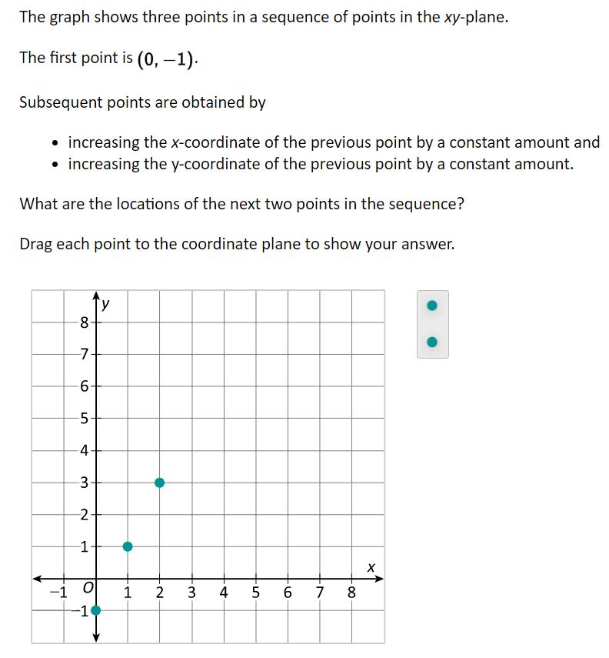 | 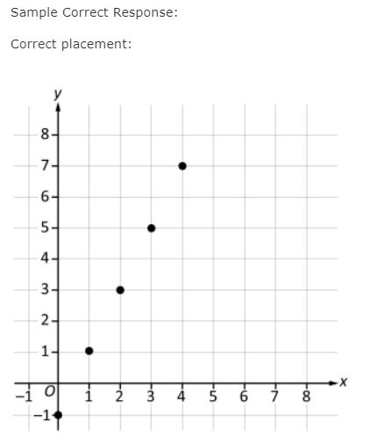 | Correct: Two points correctly placed | No student responses are available for this question. | Incorrect: Incorrect response | 8 | 2022 | 8M1 | SR (Selected Response) | Easy | Correct: 74% Incorrect: 25% Omitted: 2% Off task: rounds to zero

 | Identify expressions that are equivalent to a given linear expression | 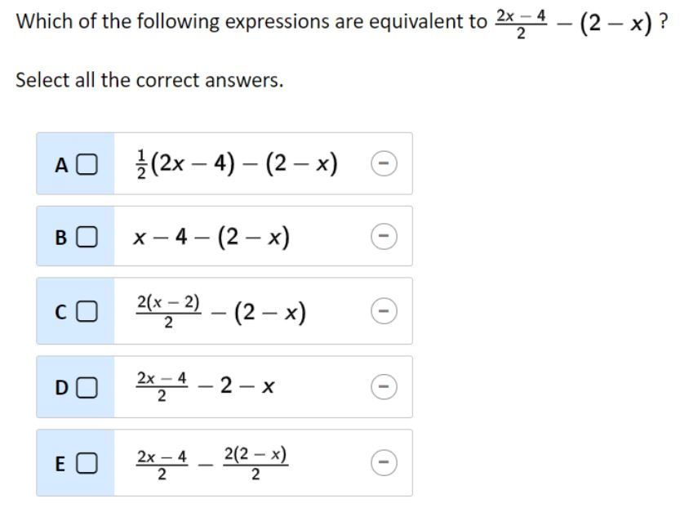 | 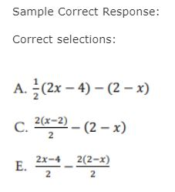 | Correct: Three correct selections and no incorrect selections Partial: Three correct selections and one incorrect selection Partial 2: Two correct selections and no incorrect selections | No student responses are available for this question. | Incorrect: Incorrect response | 8 | 2022 | 8M1 | SR (Selected Response) | Hard | Correct: 7% Incorrect: 75% Partial A: 1% Partial B: 17% Omitted: rounds to zero Off task: rounds to zero

x | Make and justify a conclusion regarding two lines in the xy-plane | Wich of the following statements must be true about any two distinct lines that intersect at exactly one point in the xy-plane? A. The slopes of the lines must be equal. B. The y-intercepts of the lines must be equak. C. The slopes of the lines cannot be equal. D. The y-intercepts of the lines cannot be equal. | Sample Correct Response: (a) Correct selection: C. The slopes of the lines cannot be equal. (b) Explanation: The slopes cannot be equal because if they were equal, the lines would be parallel. Distinct parallel lines do not intersect. NOTES: Acceptable explanations include those that address the idea that if two lines in the xy-plane have the same slope then they would either - not intersect, or - be parallel, or - be the same line, or - intersect in infinitely many points. Partially acceptable explanations include those that give an acceptable explanation with additional incorrect information. | Correct: Correct selection with acceptable explanation Partial 1: Correct selection with a partially acceptable explanation Partial 2: Incorrect selection with an explanation that supports the correct selection | Correct answer 1: (a) C. The slopes of the lines cannot be equal. (b) If the slopes of the lines were equal, they would be parallel lines or coincident lines, and therefore would intersect at all the points or none at all. Correct asnwer 2: (a) C. The slopes of the lines cannot be equal. (b) If the slopes are equal, the lines are parallel. The slopes must be different to be able to intersect. These correct responses include a correct selection for part (a) with an acceptable explanation for part (b). The first response includes an acceptable explanation for part (b) that addresses the idea that if two lines in the xy-plane have the same slope then the lines would be parallel or coincide and either intersect at no points or at all points on the line. The second response includes an acceptable explanation for part (b) that addresses the idea that if two different lines in the xy-plane have the same slope, they would be parallel and thus would not intersect. Partial 1: (a) C. The slopes of the lines cannot be equal. (b) I know this becaused if they are only intersecting at one point they wouldn't intersect if the slopes were the same so the slopes must be opposite. (a) C. The slopes of the lines cannot be equal. (b) If the slopes are equal, then the two lines would be parallel. These partially correct responses include an incorrect selection for part (a) with an acceptable explanation that supports the correct selection for part (b). The first response includes an acceptable explanation for part (b) that correctly states that if lines have the same slope, they do not intersect. The second response includes an acceptable explanation for part (b) that correctly states that if the slopes of the lines are equal, the lines would have to be parallel. Partial 2: (a) B. The y-intercepts of the lines must be equal. (b) I know this because if the lines had the same slope, then they would never intersect. (a) D. The y-intercepts of the lines cannot be equal. (b) If t | Incorrect answer 1: Correct selection with unacceptable or no explanation (a) C. The slopes of the lines cannot be equal. (b) when two points meet and intercept there slopes can not be equal (a) C. The slopes of the lines cannot be equal. (b) In order for the lines to intersect one line must have a positive slope and the other must have a negative slope. These incorrect responses include a correct selection for part (a) with an unacceptable explanation for part (b). Incorrect answer 2: Incorrect response (a) B. The y-intercepts of the lines must be equal. (b) I think intersecting lines on x and y means the y intercepts must be equal (a) A. The slopes of the lines must be equal. (b) For two lines to intersect, the slope must be the same so they could have the same rise over run These incorrect responses include an incorrect selection for part (a) with an unacceptable explanation for part (b). | 8 | 2022 | 8M1 | SCR (Short Constructed Response) | Hard | Correct: 17% Incorrect A: 16% Incorrect B: 62% Partial A: 1% Partial B: 1% Omitted: 3% Off task: rounds to zero

x | Calculate the area of a trapezoid given dimensions |  | 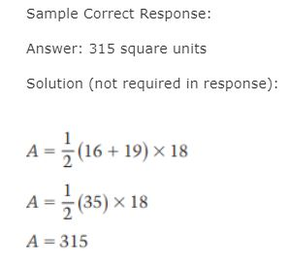 | Correct: Answer of 315 | Correct: A= 315 315 These correct responses each show an answer of 315. | Incorrect: 1260 630 These incorrect responses each show an answer other than 315. | 8 | 2022 | 8M1 | SCR (Short Constructed Response) | Hard | Correct: 26% Incorrect: 69% Omitted: 4% Off task: 1%

x | Compare a linear equation and a graph | 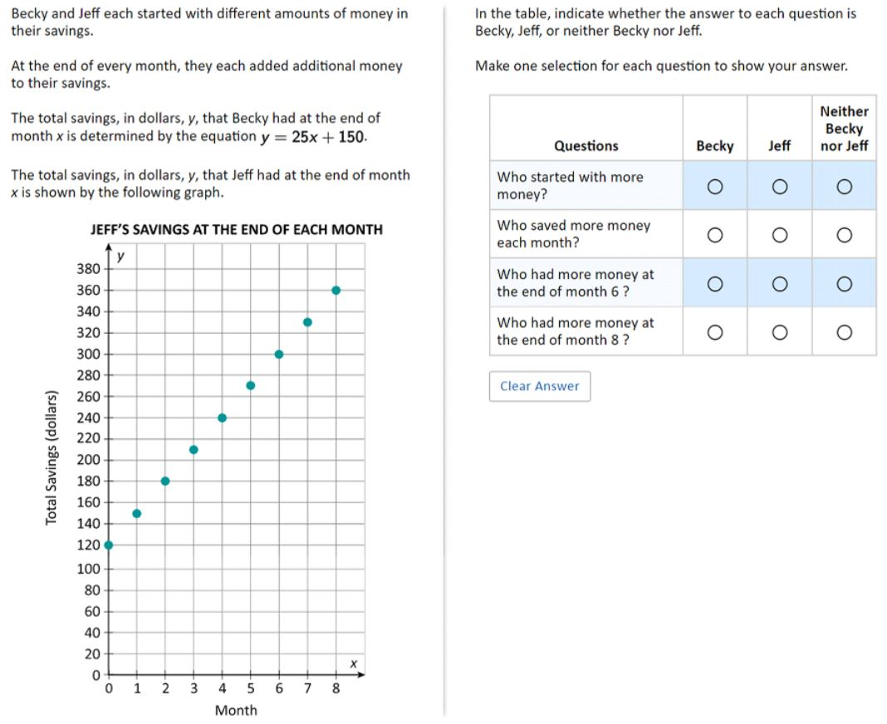 | 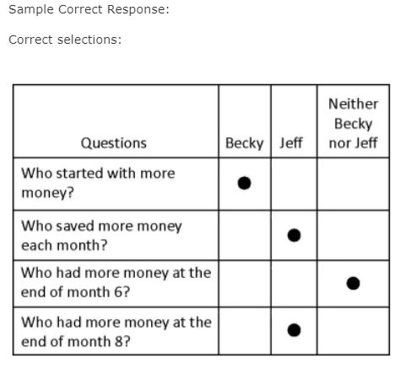 | Correct: Four correct selections Partial: Two or three correct selections | No student responses are available for this question. | Incorrect: Incorrect response | 8 | 2022 | 8M1 | SR (Selected Response) | Medium | Correct: 19% Incorrect: 32% Partial: 49% Omitted: 1% Off task: rounds to zero

x | Create an equation based on a verbal description | 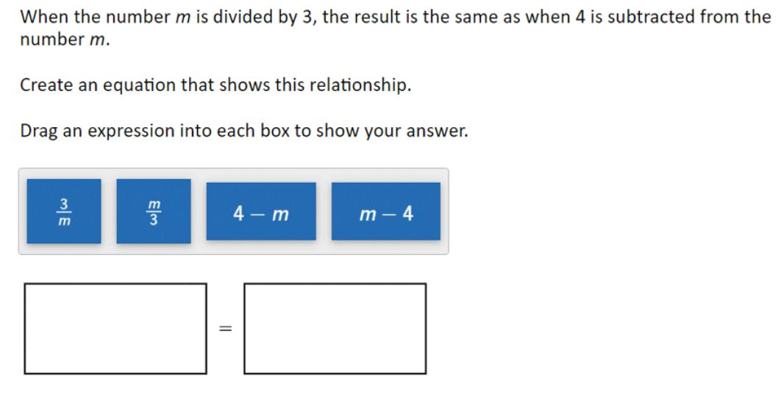 | 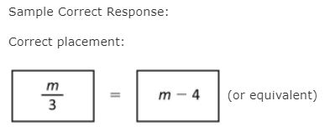 |  | No student responses are available for this question. | Incorrect: Incorrect response | 8 | 2022 | 8M1 | SR (Selected Response) | Medium | Correct: 41% Incorrect: 58% Omitted: rounds to zero Off task: rounds to zero

x | Identify the graph of a linear function | 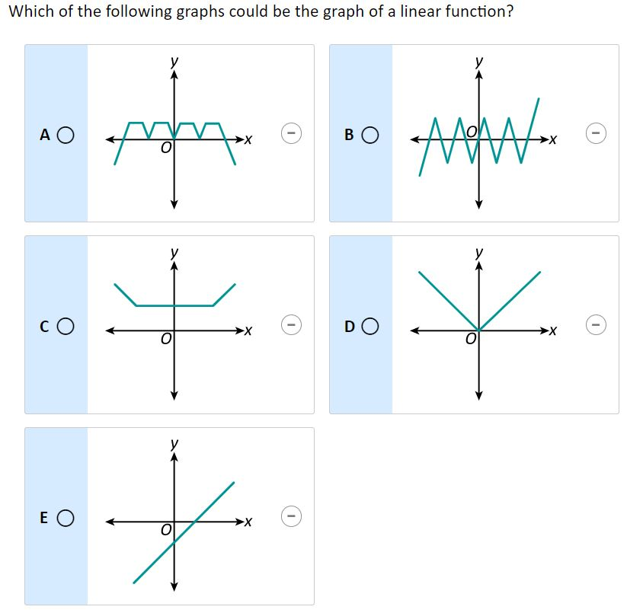 | 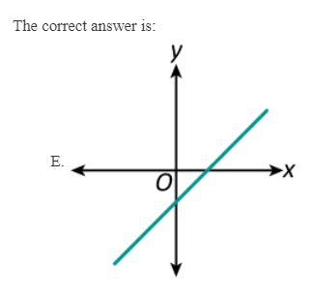 |  |  |  | 8 | 2022 | 8M1 | SR (Selected Response) | Easy | A: 2% B: 5% C: 4% D: 14% E: 74% (correct) Omitted: 1%

x | Identify an equation that models a given context | 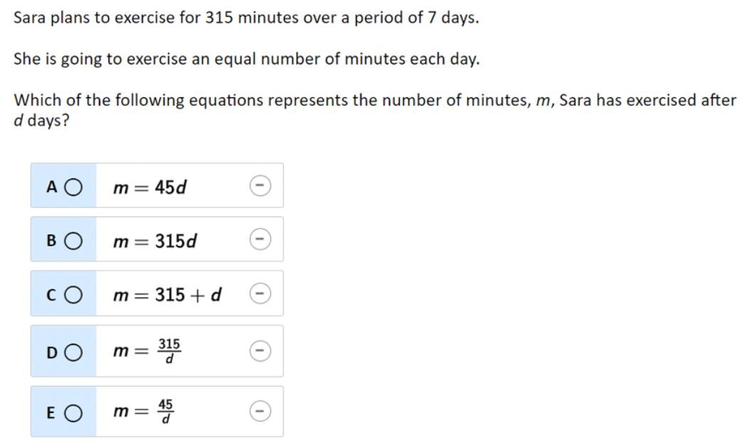 | The correct answer is: A. m = 45d |  |  |  | 8 | 2022 | 8M1 | SR (Selected Response) | Hard | A: 35% (correct) B: 15% C: 13% D: 31% E: 5% Omitted: 1%

